read_me
Experiment
These data result from a qPCR experiment done in the context of a qPCR course with 18 students/operators

There are 5 targets and 2 tissues

The 18 students each pipetted 5*2 reactions in triplicate

The difference between the 2 plates has to be corrected
In this correction the 10 unique target - tissue combinations were considered the combined condition
The operators are considered a random variable; systematic variation between operators will not be removed.
 | However, in your experiment you might want to remove the difference between operators
 | With the current design that is not possible: each operator pipetted the 2 tissues in each of the 2 plates (see sheet plate_design)
 | To correct between operators, the replicates should have been distributed over the 2 plates.
The triplicate measurements cause the random technical error

Data
The sheets 150416QPCRCourse2015__plate_1 and 150416QPCRCourse2015__plate_2 contain the compact LinRegPCR output after analysing the amplification curves on both plates
The data range to read into Factor-qPCR on both plates is A4:K292
This range contains all information, also the information not used in the factor correction but reading everything keeps everything together in the corrected data.
Note that the items in the header row (row 4) should be identical; the order can be different

Procedure
Start Factor-qPCR
Choose File - Read from Excel
Fill in the Read-from-Excel dialog (see image) |  |  | Choose File - Add data from Excel | Confirm the notice about the file structure
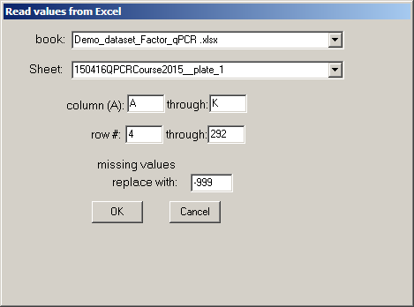
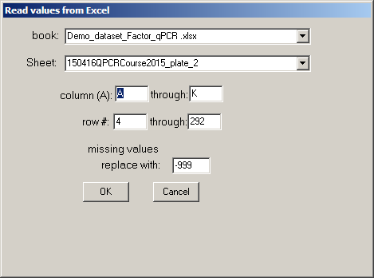

The program has noticed that the added variable Run is the session variable: the variation caused by this variable will be removed
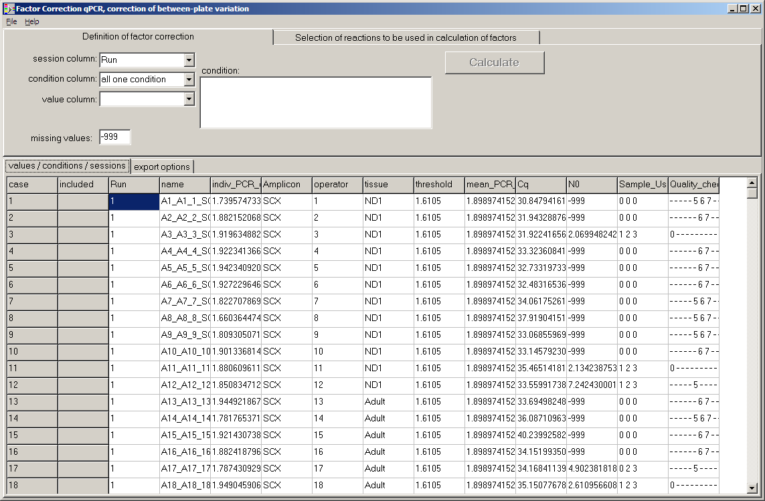

In LinRegPCR output the missing values (failed reactions, wrong melting curves, negative controls) are assigned -999, thisis the default value; change if required
Choose the condition variables, in this case Amplicon and Tissue form the combined condition. The variation caused by these variables will be preserved

Choose the variable that has to be corrected: the target quantity N0

Press Calculate to perform the correction between runs
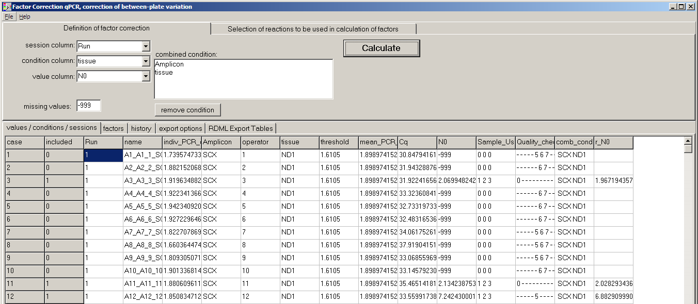

The program adds 2 columns to the grid: combined condition and corrected N0, coded as r_N0. The corrected value is not calculated for missing N0 values
On the tab-page Factors you can inspect the correction factors per run

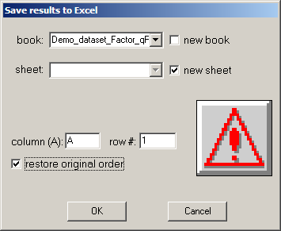
The complete grid can be saved to Excel (see sheet Output_FC_qPCR in this file)
 |  | Restoring the original order makes that this result is in sync with the original data sheets

 |  | The corrected target quantites can be used for normalisation (using the geometirc mean of the r_N0 of the reference genes) and for further statistics

Save to RDML
In case you want to export the corrected results to RDML format, for further analysis in qbase+, you have to calculate a mean PCR efficiency per target and an efficiency corrected Cq from the r_N0
On the tab page RDML Export Tables, sub-page PCR efficiency per Amplicon you fill in the 5 variables by choosing from the drop-down lists. If done, press Calculate Mean and SE over plates
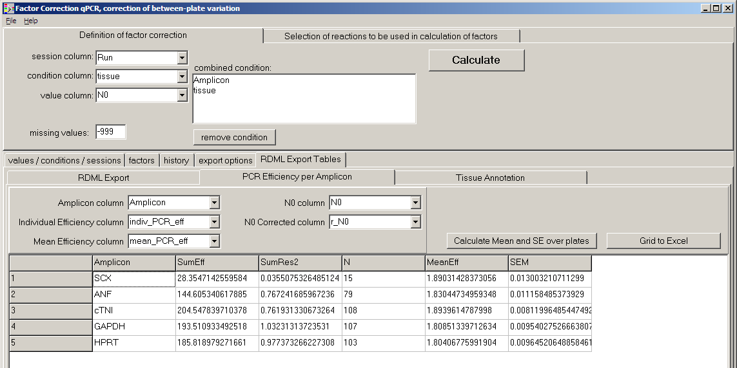

You can export the grid withthe mean Efficiency and its SE to Excel when you need to give this information in the M&M section of a manuscript (MIQE required)

On the tab page RDML Export Tables, sub page Tissue Annotation, sub page Columns containing tissue annotation, you choose the variables that together identify the unique description of each reaction
Press Determine Unique Tissue to generate a list of unique tissue IDs which is placed on the sub page Unique Tissues on combined plates
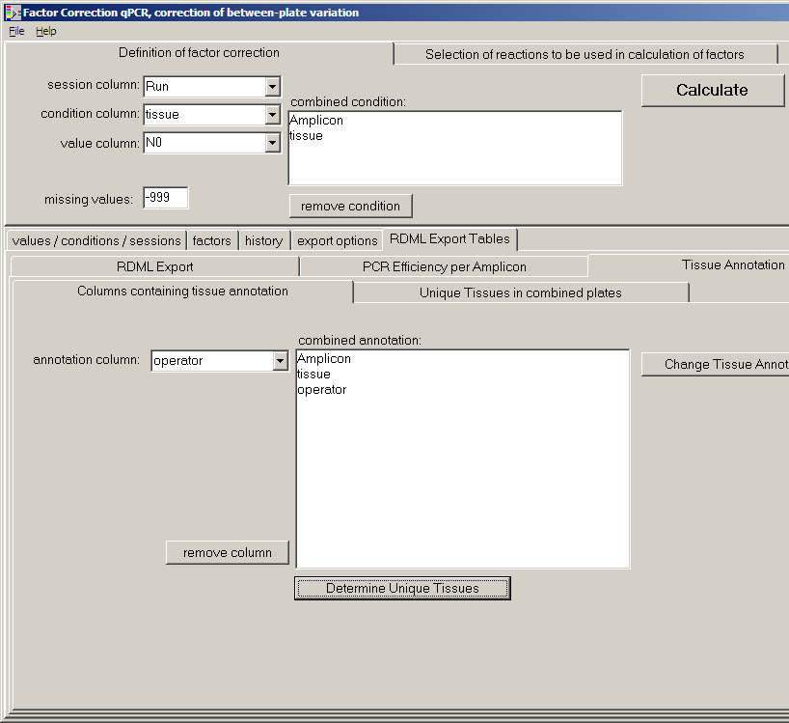

Note that 'operator' was added to have this information available in the program for downstream analysis of the data
Give all columns that you want to use for the statistical analysis of the data.
Do not add plate or well because this would make every reaction unique.

On the tab page RDML Export Tables, sub page RDML Export you have to give an Experiment name and choose the monitoring chemistry

Pressing Create RDML File then saves the combined data as an RDML file. The default name is the name of teh Excel file that you started with.

